Sheet1
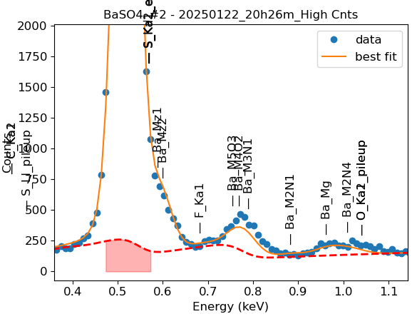
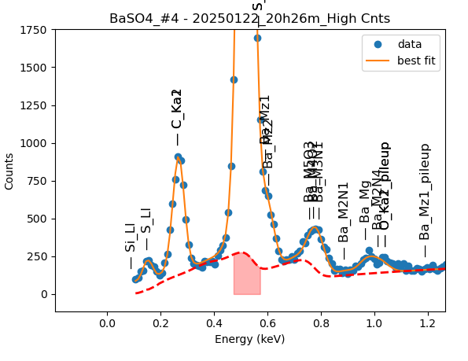
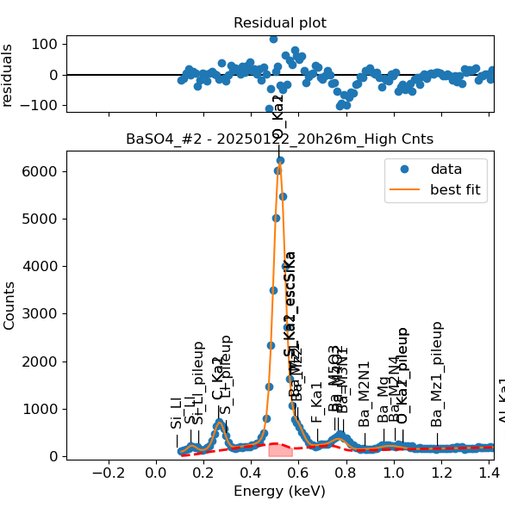
Weights calibrated measuring a pure BaSO4 standard, bulk, polished |  |  |  |  |  |  |  |  |  |  | Weights unchanged
Area of all peaks is fitted |  |  |  |  |  |  |  |  |  |  | Weights changed
A constant shift is maintained across all peaks
Sigma is fixed for all peaks

Had to separate the peak fitting in two groups, otherwise it would not fit
Ba |  | Meas 1 | Meas 2 | Meas 3 | Meas 4 | Meas 5 | Meas 6 | Meas 7 | Meas 8 | Meas 9 | Meas 10
Mz1 |  | 22.235 | 22.294 | 20.239 | 29.21 | 17.632 | 23.077 | 22.803 | 22.897 | 24.059 | 23.089
M5O3 |  | 0.001 | 0.148 | 3.978 | 3.72 | 0.002 | 0.005 | 2.152 | 6.695 | 0.079 | 0
M4O2 |  | 9.945 | 19.498 | 5.196 | 0.005 | 18.043 | 11.214 | 3.967 | 0.477 | 9.796 | 12.244
M3N1 |  | 7.735 | 1.868 | 11.419 | 17.626 | 2.815 | 9.875 | 12.448 | 12.707 | 9.928 | 8.837
Mz1 |  |  |  | 22.354 | 22.398 |  | 22.777 | 20.77 | 20.695 | 19.769 | 23.222
M2N1 |  |  |  | 2.133 | 2.013 |  | 1.487 | 1.805 | 1.559 | 1.639 | 1.976
Mg |  |  |  | 4.717 | 6.187 |  | 7.571 | 5.147 | 6.522 | 6 | 5.338
M2N4 |  |  |  | 4.002 | 4.805 |  | 0.023 | 4.256 | 2.889 | 3.291 | 4.974

Line | Original w | Meas 1 | Meas 2 | Meas 3 | Meas 4 | Meas 5 | Meas 6 | Meas 7 | Meas 8 | Meas 9 | Meas 10 | Mean | Stdev | Er (%)
Mz1 | 1 | 1.0000 | 1.0000 | 1.0000 | 1.0000 | 1.0000 | 1.0000 | 1.0000 | 1.0000 | 1.0000 | 1.0000 | 1.0000
M5O3 | 0.02694 | 0.0000 | 0.0066 | 0.1966 | 0.1274 | 0.0001 | 0.0002 | 0.0944 | 0.2924 | 0.0033 | 0.0000 | 0.0721 | 0.1040 | 144.24
M4O2 | 0.270333 | 0.4473 | 0.8746 | 0.2567 | 0.0002 | 1.0233 | 0.4859 | 0.1740 | 0.0208 | 0.4072 | 0.5303 | 0.4220 | 0.3351 | 79.41
M3N1 | 0.184258 | 0.3479 | 0.0838 | 0.5642 | 0.6034 | 0.1597 | 0.4279 | 0.5459 | 0.5550 | 0.4127 | 0.3827 | 0.4083 | 0.1747 | 42.78
M5O3 + M4O2 + M3N1 | 0.4815 | 0.7952 | 0.9650 | 1.0175 | 0.7309 | 1.1831 | 0.9141 | 0.8142 | 0.8682 | 0.8231 | 0.9130 | 0.9024 | 0.1301 | 14.42
M2N1 | 0.0666397 |  |  | 0.0954 | 0.0899 |  | 0.0653 | 0.0869 | 0.0753 | 0.0829 | 0.0851 | 0.0830 | 0.0099 | 11.99
Mg | 0.15465187 |  |  | 0.2110 | 0.2762 |  | 0.3324 | 0.2478 | 0.3151 | 0.3035 | 0.2299 | 0.2737 | 0.0458 | 16.73
M2N4 | 0.12173562 |  |  | 0.1790 | 0.2145 |  | 0.0010 | 0.2049 | 0.1396 | 0.1665 | 0.2142 | 0.1600 | 0.0753 | 47.08
Mg + M2N4 | 0.2764 |  |  | 0.3900 | 0.4908 |  | 0.3334 | 0.4527 | 0.4547 | 0.4700 | 0.4441 | 0.4337 | 0.0539 | 12.43

Fits whose peak areas vary, but whose sum is almost cosntant:
So we use the original ratios to diustribute the sum among the peaks, giving:

M5O3 + M4O2 + M3N1 | M5O3 | M4O2 | M3N1 | Sum
Original ratio | 0.0559 | 0.5614 | 0.3827
Resulting weights: | 0.0505 | 0.5066 | 0.3453 | 0.9024

 |  | Without fixing the peaks above: |  |  |  |  |  |  |  |  | Fixing the peaks:

